Ischemia
Case Name | Evaluation Notes | arterial_loss (L/min) | calc_art_loss | true_PV_flow | calc_PV_flow | err_arterial(%) | err_venous(%) | SCAo | IRAo | LRA | RRA | SMA | CA | SMV | SV | PV | Clinical notes | HR | arterial_loss (mL/cycle) | calc_art_loss | true_PV_flow | calc_PV_flow | err_arterial(%) | err_venous(%) | SCAo | IRAo | LRA | RRA | SMA | CA | SMV | SV | PV
clin_MCH_0209_Pre |  | 0.791 | 0.769 | 0.665 | 0.610 | 2.859 | 8.204 | 2.780 | 1.989 | 0.217 | 0.164 | 0.173 | 0.214 | 0.474 | 0.136 | 0.665 |  | 95.389502526 | 8.297 | 8.060 | 6.968 | 6.396 | 2.859 | 8.204 | 29.145 | 20.847 | 2.279 | 1.721 | 1.817 | 2.244 | 4.967 | 1.429 | 6.968
clin_MCH_0209_Post |  | 1.006 | 0.803 | 0.457 | 0.470 | 20.263 | -2.750 | 2.674 | 1.668 | 0.201 | 0.171 | 0.195 | 0.236 | 0.339 | 0.130 | 0.457 |  | 98.039213242 | 10.266 | 8.186 | 4.663 | 4.791 | 20.263 | -2.750 | 27.277 | 17.011 | 2.048 | 1.745 | 1.984 | 2.410 | 3.461 | 1.331 | 4.663
Post-prandial Change (%) |  | 27.168 | 4.384 | -31.221 | -23.013 |  |  | -3.808 | -16.135 | -7.653 | 4.205 | 12.249 | 10.367 | -28.386 | -4.319 | -31.216 |  |  | 19.180 | 1.539 | -49.432 | -33.500 |  |  | -6.408 | -18.402 | -10.149 | 1.389 | 9.215 | 7.384 | -30.322 | -6.905 | -33.075
mch_0710_Pre | SCAo not visualized in FOV. Calculated by adding flow from CA and flow directly below CA. | 2.700 | 2.479 | 0.846 | 0.841 | 8.158 | 0.687 |  | 0.945 | 1.084 | 0.795 | 0.274 | 0.327 | 0.537 | 0.304 | 0.846 |  | 69.284064055 | 38.964 | 35.786 | 12.215 | 12.132 | 8.158 | 0.687 | 52.605 | 13.640 | 15.644 | 11.472 | 3.948 | 4.722 | 7.746 | 4.385 | 12.216
mch_0710_Post |  | 1.855 | 2.305 | 1.170 | 1.295 | -24.256 | -10.607 |  | 1.369 | 1.146 | 0.508 | 0.323 | 0.327 | 1.082 | 0.212 | 1.170 |  | 76.923075418 | 24.117 | 29.966 | 15.216 | 16.830 | -24.256 | -10.607 |  | 17.796 | 14.902 | 6.603 | 4.205 | 4.257 | 14.073 | 2.758 | 15.216
Post-prandial Change (%) |  | -31.281 | -7.030 | 38.297 | 54.025 |  |  |  | 44.854 | 5.756 | -36.093 | 18.239 | 0.092 | 101.700 | -30.186 | 38.299 |  |  | -61.564 | -19.421 | 19.720 | 27.917 |  |  |  | 30.469 | -4.746 | -42.439 | 6.497 | -9.848 | 81.670 | -37.119 | 24.565
MCH_170317_Pre |  | 1.098 | 1.275 | 1.016 | 0.797 | -16.135 | 21.594 | 1.928 | 0.830 | 0.147 | 0.173 | 0.533 | 0.422 | 0.573 | 0.224 | 1.016 |  | 66.666666667 | 16.468 | 19.125 | 15.238 | 11.948 | -16.135 | 21.594 | 28.914 | 12.446 | 2.206 | 2.588 | 7.995 | 6.336 | 8.590 | 3.358 | 15.238
MCH_170317_Post |  | 1.072 | 1.171 | 0.801 | 0.777 | -9.271 | 2.927 | 1.732 | 0.661 | 0.130 | 0.157 | 0.491 | 0.393 | 0.563 | 0.214 | 0.801 |  | 60.120240481 | 17.829 | 19.482 | 13.317 | 12.928 | -9.271 | 2.927 | 28.817 | 10.988 | 2.159 | 2.619 | 8.164 | 6.541 | 9.369 | 3.559 | 13.317
Post-prandial Change (%) |  | -2.367 | -8.137 | -21.188 | -2.425 |  |  | -10.123 | -20.385 | -11.777 | -8.760 | -7.917 | -6.892 | -1.649 | -4.410 | -21.188 |  |  | 7.633 | 1.832 | -14.425 | 7.578 |  |  | -0.336 | -11.716 | -2.171 | 1.175 | 2.110 | 3.247 | 9.060 | 5.998 | -12.606
121019_MCH_Pre |  | 1.588 | 1.144 | 1.215 | 1.013 | 27.951 | 16.662 | 2.326 | 0.738 | 0.131 | 0.219 | 0.362 | 0.432 | 0.724 | 0.289 | 1.215 |  | 87.478373023 | 18.148 | 13.076 | 13.890 | 11.576 | 27.951 | 16.662 | 26.585 | 8.437 | 1.495 | 2.501 | 4.139 | 4.941 | 8.272 | 3.304 | 13.890
121019_MCH_Post |  | 1.892 | 1.287 | 1.737 | 1.593 | 31.969 | 8.259 | 2.522 | 0.630 | 0.046 | 0.117 | 0.624 | 0.501 | 1.301 | 0.292 | 1.737 |  | 91.195323105 | 20.746 | 14.114 | 19.045 | 17.472 | 31.969 | 8.259 | 27.658 | 6.911 | 0.500 | 1.281 | 6.844 | 5.490 | 14.270 | 3.202 | 19.045
Post-prandial Change (%) |  | 19.173 | 12.524 | 42.939 | 57.346 |  |  | 8.453 | -14.606 | -65.127 | -46.619 | 72.396 | 15.819 | 79.838 | 1.046 | 42.938 |  |  | 12.523 | 7.354 | 27.067 | 33.745 |  |  | 4.033 | -18.087 | -66.549 | -48.794 | 65.369 | 11.099 | 72.508 | -3.072 | 37.112
121026_MCH_Pre | Descending aortic dissection | 1.390 | 1.357 | 1.085 | 0.913 | 2.372 | 15.869 | 1.390 |  | 0.101 | 0.177 | 0.670 | 0.409 | 0.458 | 0.455 | 1.085 |  | 48.493265005 | 28.670 | 27.990 | 22.372 | 18.822 | 2.372 | 15.869 | 28.670 |  | 2.087 | 3.647 | 13.823 | 8.433 | 9.443 | 9.379 | 22.372
121026_MCH_Post |  | 1.533 | 1.511 | 1.288 | 1.128 | 1.432 | 12.442 | 1.536 |  | 0.065 | 0.016 | 1.026 | 0.404 | 0.859 | 0.269 | 1.288 |  | 51.126975001 | 29.982 | 29.553 | 25.198 | 22.063 | 1.432 | 12.442 | 30.043 |  | 1.271 | 0.309 | 20.068 | 7.905 | 16.802 | 5.261 | 25.198
Post-prandial Change (%) |  | 10.256 | 11.319 | 18.749 | 23.585 |  |  | 10.481 |  | -35.794 | -91.062 | 53.065 | -1.171 | 87.597 | -40.857 | 18.749 |  |  | 4.376 | 5.289 | 11.215 | 14.690 |  |  | 4.789 |  | -39.101 | -91.522 | 45.180 | -6.262 | 77.933 | -43.903 | 12.632
120710_MCH_Pre | RRA not visualized. Earlier version of Clinical 120425 above. | 2.029 | 3.047 | 1.664 | 1.760 | -50.230 | -5.730 | 3.670 | 1.642 | 0.623 |  | 0.872 | 1.259 | 1.229 | 0.531 | 1.664 |  | 58.917154257 | 34.430 | 51.724 | 28.247 | 29.865 | -50.230 | -5.730 | 62.293 | 27.863 | 10.575 |  | 14.804 | 21.373 | 20.853 | 9.012 | 28.247
120710_MCH_Post |  | 1.529 | 3.028 | 2.048 | 1.842 | -98.006 | 10.057 | 3.014 | 1.485 | 0.594 |  | 0.810 | 1.371 | 1.265 | 0.577 | 2.048 |  | 50.907586821 | 30.042 | 59.485 | 40.224 | 36.179 | -98.006 | 10.057 | 59.212 | 29.170 | 11.662 |  | 15.911 | 26.940 | 24.841 | 11.338 | 40.224
Post-prandial Change (%) |  | -24.607 | -0.630 | 23.042 | 4.673 |  |  | -17.868 | -9.540 | -4.713 |  | -7.129 | 8.908 | 2.929 | 8.704 | 23.045 |  |  | -12.745 | 15.005 | 42.401 | 21.142 |  |  | -4.945 | 4.692 | 10.279 |  | 7.483 | 26.043 | 19.123 | 25.807 | 42.404

 |  | arterial_loss (L/min) | calc_art_loss | true_PV_flow | calc_PV_flow | err_arterial(%) | err_venous(%) | SCAo | IRAo | LRA | RRA | SMA | CA | SMV | SV | PV
 | Average (Pre-Meal) | 1.599 | 1.679 | 1.082 | 0.989 | -4.171 | 9.548 | 2.419 | 1.229 | 0.384 | 0.305 | 0.481 | 0.511 | 0.666 | 0.323 | 1.082 |  | Average (Pre-Meal) | #REF! | #REF! | #REF! | #REF! | #REF! | #REF! | #REF! | #REF! | #REF! | #REF! | #REF! | #REF! | #REF! | #REF! | #REF!
 | Average (Post-Meal) | 1.481 | 1.684 | 1.250 | 1.184 | -12.978 | 3.388 | 2.296 | 1.163 | 0.364 | 0.194 | 0.578 | 0.539 | 0.902 | 0.282 | 1.250 |  | Average (Post-Meal) | #REF! | #REF! | #REF! | #REF! | #REF! | #REF! | #REF! | #REF! | #REF! | #REF! | #REF! | #REF! | #REF! | #REF! | #REF!
 | Average % Change | -0.276 | 2.072 | 11.770 | 19.032 |  |  | -2.573 | -3.163 | -19.885 | -35.666 | 23.484 | 4.521 | 40.338 | -11.670 | 11.771 |  | Average % Change | #REF! | #REF! | #REF! | #REF! |  |  | #REF! | #REF! | #REF! | #REF! | #REF! | #REF! | #REF! | #REF! | #REF!
 | STD (Pre-meal) | 0.685 | 0.883 | 0.344 | 0.401 | 26.610 | 10.483 | 0.867 | 0.554 | 0.394 | 0.274 | 0.262 | 0.376 | 0.292 | 0.146 | 0.344 |  | STD (Pre-meal) | #REF! | #REF! | #REF! | #REF! | #REF! | #REF! | #REF! | #REF! | #REF! | #REF! | #REF! | #REF! | #REF! | #REF! | #REF!
 | STD (Post-meal) | 0.376 | 0.827 | 0.585 | 0.508 | 46.267 | 8.763 | 0.634 | 0.484 | 0.433 | 0.186 | 0.309 | 0.417 | 0.389 | 0.155 | 0.585 |  | STD (Post-meal) | #REF! | #REF! | #REF! | #REF! | #REF! | #REF! | #REF! | #REF! | #REF! | #REF! | #REF! | #REF! | #REF! | #REF! | #REF!
 | STD % Change | 23.664 | 8.882 | 30.937 | 32.086 |  |  | 12.087 | 27.121 | 26.088 | 37.089 | 32.693 | 8.525 | 55.578 | 19.382 | 30.936 |  | STD % Change | #REF! | #REF! | #REF! | #REF! |  |  | #REF! | #REF! | #REF! | #REF! | #REF! | #REF! | #REF! | #REF! | #REF!
 |  |  |  |  |  |  |  | -5.081 | -5.381 | -5.312 | -36.547 | 20.266 | 5.520 | 35.477 | -12.588 | 15.561
 | Average (Pre-Meal) | 2.351 | 1.881 | 1.016 | 0.931 | 16.932 | 6.726 | 3.436 | 1.061 | 0.353 | 0.351 | 0.426 | 0.796 | 0.483 | 0.463 | 1.016 |  | Average (Pre-Meal) | 38.509 | 30.935 | 16.657 | 15.317 | 16.793 | 6.062 | 55.931 | 16.977 | 6.091 | 5.966 | 7.091 | 12.486 | 8.041 | 7.276 | 16.657
 | Average (Post-Meal) | 2.942 | 2.185 | 1.488 | 1.410 | 23.960 | 4.133 | 3.929 | 0.987 | 0.347 | 0.369 | 0.781 | 0.735 | 1.027 | 0.413 | 1.488 |  | Average (Post-Meal) | 48.302 | 36.448 | 24.847 | 23.668 | 23.901 | 3.860 | 64.178 | 15.832 | 6.044 | 6.458 | 13.220 | 11.118 | 17.210 | 6.783 | 24.847
 | Avg % Change | 28.973 | 18.760 | 56.692 | 62.446 |  |  | 15.729 | -9.992 | 3.581 | 6.966 | 98.786 | 5.254 | 132.465 | -4.755 | 56.691 |  | Avg % Change | 19.745 | 12.929 | 35.660 | 43.301 |  |  | 10.137 | -11.349 | -0.535 | 2.645 | 66.665 | -14.029 | 91.256 | -6.543 | 35.659
 | STD (Pre-meal) | 0.502 | 0.484 | 0.333 | 0.303 | 14.362 | 15.710 | 0.671 | 0.460 | 0.159 | 0.110 | 0.162 | 0.357 | 0.192 | 0.219 | 0.333 |  | STD (Pre-meal) | 8.857 | 8.325 | 6.038 | 5.396 | 14.098 | 15.658 | 10.580 | 6.692 | 3.337 | 2.370 | 3.149 | 4.366 | 3.432 | 3.371 | 6.038
 | STD (Post-meal) | 0.648 | 0.583 | 0.460 | 0.431 | 13.373 | 10.981 | 0.855 | 0.515 | 0.133 | 0.125 | 0.318 | 0.317 | 0.377 | 0.144 | 0.460 |  | STD (Post-meal) | 13.333 | 12.631 | 9.450 | 8.913 | 13.076 | 10.797 | 13.935 | 6.662 | 2.856 | 2.987 | 6.981 | 4.698 | 7.328 | 2.629 | 9.450
 | STD % Change | 26.595 | 17.863 | 47.007 | 45.241 |  |  | 14.330 | 25.719 | 14.663 | 16.748 | 79.573 | 50.232 | 81.283 | 30.447 | 47.007 |  | STD % Change | 19.972 | 16.615 | 22.540 | 31.616 |  |  | 15.432 | 28.526 | 16.536 | 16.362 | 49.149 | 22.677 | 51.053 | 36.921 | 22.537

Preprandial and Postprandial Flow

Flow change after meal

Reliability
Case File | Notes | SCAo | IRAo | LRA | RRA | SMA | CA | SMV | SV | PV
130510_E5777_S200 | RELIABILITY (Post-prandial) | 3.403 | 1.107 | 0.334 | 0.394 | 0.583 | 0.579 | 0.794 | 0.315 | 1.091
130510_E5777_S300 |  | 3.613 | 1.094 | 0.403 | 0.417 | 0.571 | 0.516 | 0.853 | 0.296 | 1.129
Percent Difference (%) |  | 6.188 | -1.107 | 20.897 | 5.891 | -1.982 | -10.779 | 7.473 | -5.866 | 3.440
130708_E6079_S800 | RELIABILITY (Pre-prandial) | 3.530 | 1.208 | 0.460 | 0.489 | 0.458 | 0.901 | 0.518 | 0.480 | 0.999
130708_E6079_S900 |  | 2.578 | 0.827 | 0.306 | 0.316 | 0.294 | 0.672 | 0.449 | 0.326 | 0.718
Percent Difference (%) |  | -26.964 | -31.559 | -33.416 | -35.383 | -35.732 | -25.466 | -13.429 | -32.089 | -28.124
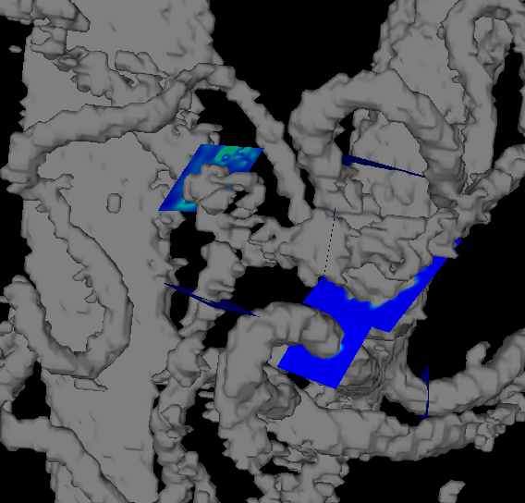
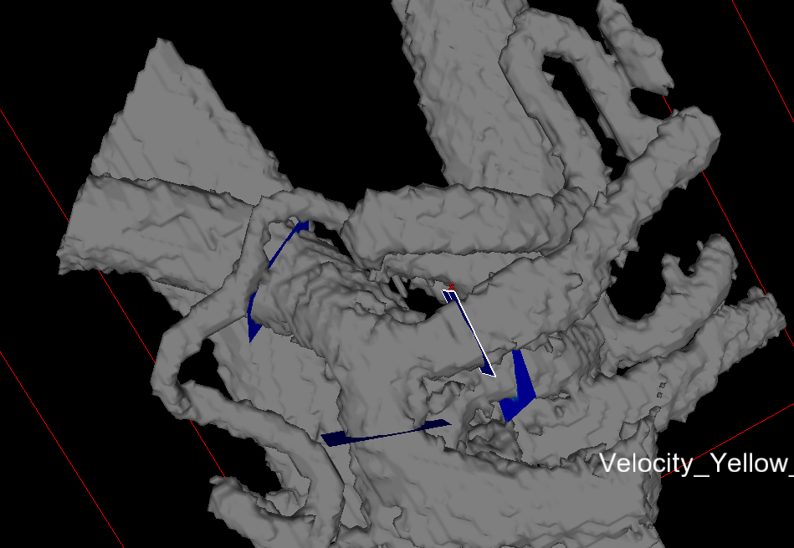
Narrowing CA | SCAo | IRAo | LRA | RRA | SMA | CA | SMV | SV | PV
120328_MCH_Pre | 2.523 | 1.105 | 0.274 | 0.265 | 0.264 | 0.128 | 0.133 | 0.278 | 0.307 | Very noisy preprandial images.
120328_MCH_Pre + 60 days | 2.482 | 1.108 | 0.285 | 0.247 | 0.254 | 0.153 | 0.186 | 0.281 | 0.341
Difference (%) | -1.622 | 0.292 | 4.044 | -6.856 | -3.686 | 19.336 | 40.242 | 1.100 | 11.013
120328_MCH_Post | 4.131 | 0.729 | 0.579 | 0.509 | 1.145 | 0.082 | 1.531 | 0.456 | 2.209
120328_MCH_Post + 60 days | 4.192 | 0.694 | 0.550 | 0.474 | 1.036 | 0.106 | 1.571 | 0.428 | 2.207
Difference (%) | 1.462 | -4.789 | -4.986 | -6.935 | -9.530 | 29.714 | 2.599 | -6.287 | -0.120
mch100416_Pre |  |  |  |  |  |  | 0.269 | 0.446 | 0.734 | Preprandial images are very noisy. Post images are much better but still noisy.
mch100416_Pre + 214 days |  |  |  |  |  |  | 0.341 | 0.455 | 0.776
Difference (%) |  |  |  |  |  |  | 26.736 | 2.046 | 5.714
mch100416_Post |  |  |  |  |  |  | 1.499 | 0.489 | 2.198
mch100416_Post + 214 days |  |  |  |  |  |  | 1.526 | 0.469 | 2.273
Difference (%) |  |  |  |  |  |  | 1.784 | -3.999 | 3.456

Negative | SCAo | IRAo | LRA | RRA | SMA | CA | SMV | SV | PV
clin_mch_0612_Pre | 2.6593443385 | 0.60179251758 | 0.49057592257 | 0.44534936757 | 0.28123816795 | 0.39260414054 | 0.39158837293 | 0.49451949095 | 0.75909707836
clin_mch_0612_Pre + |  |  |  |  |  |  |  |  |  | 49.792532381
Difference (%) | -100 | -100 | -100 | -100 | -100 | -100 | -100 | -100 | -100
clin_mch_0612_Post | 5.7072267004 | 2.1003363054 | 0.43763904704 | 0.52664320514 | 1.6336931062 | 0.34203737792 | 2.0758943943 | 0.37832368853 | 2.3786828057
clin_mch_0612_Post + |  |  |  |  |  |  |  |  |  | 62.240666856
Difference (%) | -100 | -100 | -100 | -100 | -100 | -100 | -100 | -100 | -100
MCH_101013_Pre | 3.5578552294 | 1.4328364311 | 0.48117608487 | 0.5286289135 | 0.78462261581 | 0.20174842106 | 0.74935846602 | 0.21649055895 | 1.0001005962
MCH_101013_Pre + |  |  |  |  |  |  |  |  |  | 62.893079701
Difference (%) | -100 | -100 | -100 | -100 | -100 | -100 | -100 | -100 | -100
MCH_101013_Post | 5.2041646156 | 1.8736028233 | 0.47005481548 | 0.48360276129 | 0.93730826097 | 0.12659589606 | 1.235020603 | 0.42817125197 | 1.9395411824
MCH_101013_Post + |  |  |  |  |  |  |  |  |  | 68.493153739
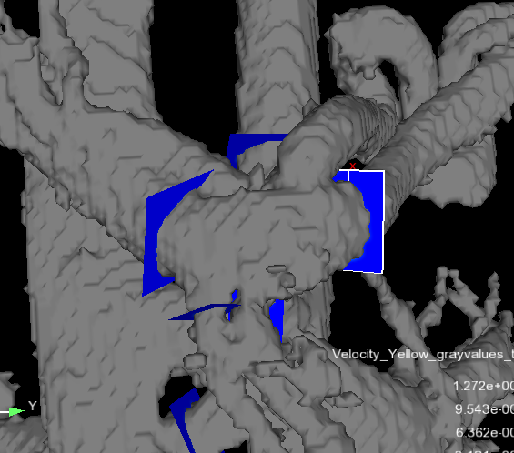
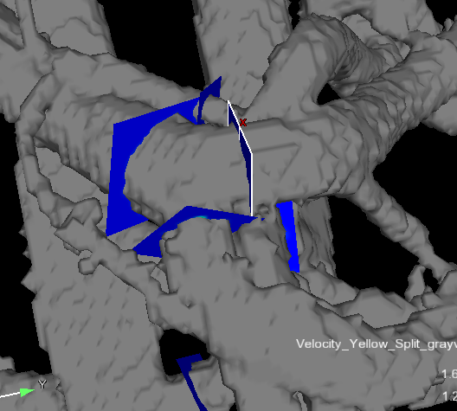
Difference (%) | -100 | -100 | -100 | -100 | -100 | -100 | -100 | -100 | -100
MCH_030717_Pre | 4.2205166667 | 1.7646833333 | 0.36100833333 | 0.16195833333 | 0.65074166667 | 0.55703333333 | 0.240075 | 0.20473333333 | 0.63325833333
MCH_030717_Pre + |  |  |  |  |  |  |  |  |  | 83.333333333
Difference (%) | -100 | -100 | -100 | -100 | -100 | -100 | -100 | -100 | -100
MCH_030717_Post | 3.7966363636 | 1.3650818182 | 0.26103636364 | 0.13195454545 | 0.55728181818 | 0.51330909091 | 0.62452727273 | 0.20800909091 | 0.97598181818
MCH_030717_Post |  |  |  |  |  |  |  |  |  | 90.909090909
Difference (%) | -100 | -100 | -100 | -100 | -100 | -100 | -100 | -100 | -100
MCH_160804_Pre |  |  |  |  | 0.272 | 0.593 | 0.132 | 0.726
MCH_160804_Pre + |  |  |  |  | 0.298 | 0.629 | 0.156 | 0.753
Difference (%) |  |  |  |  | 9.392 | 6.101 | 18.566 | 3.707
MCH_160804_Post |  |  |  |  | 0.695 | 0.819 | 0.763 | 0.840
MCH_160804_Post + |  |  |  |  | 0.625 | 0.806 | 0.775 | 0.830
Difference (%) |  |  |  |  | -9.997 | -1.667 | 1.578 | -1.211
clin_mch_042214_Pre |  | 0.589 |  |  | 0.782 |  |  |  | 1.027
clin_mch_042214_Pre + |  | 0.581 |  |  | 0.799 |  |  |  | 1.034
Difference (%) |  | -1.479 |  |  | 2.194 |  |  |  | 0.734
clin_mch_042214_Post |  | 0.940 |  |  | 1.028 |  |  |  | 1.241
clin_mch_042214_Post + |  | 0.863 |  |  | 1.035 |  |  |  | 1.203
Difference (%) |  | -8.199 |  |  | 0.669 |  |  |  | -3.119
clin_mch_1111_Pre |  |  |  |  | 0.606 | 0.530
clin_mch_1111_Pre + |  |  |  |  | 0.595 | 0.535
Difference (%) |  |  |  |  | -1.794 | 0.932
clin_mch_1111_Post |  |  |  |  | 0.394 | 0.556
clin_mch_1111_Post + |  |  |  |  | 0.392 | 0.619
Difference (%) |  |  |  |  | -0.456 | 11.295
MCH_010313_Pre |  | 0.504
MCH_010313_Pre + |  | 0.507
Difference (%) |  | 0.558
MCH_010313_Post |  | 0.794
MCH_010313_Post + |  | 0.753
Difference (%) |  | -5.147

Ischemia | SCAo | IRAo | LRA | RRA | SMA | CA | SMV | SV | PV
121019_Pre | 2.3256387903 | 0.73807252887 | 0.13080641118 | 0.21875716742 | 0.36202924675 | 0.43223938894 | 0.72363859732 | 0.28898480528 | 1.215092097
121019_Pre + | 2.3714162229 | 0.77479594986 | 0.13324705779 | 0.21672766916 | 0.37586832537 | 0.43566854116 | 0.8006020699 | 0.30778390764 | 1.2043672484
Difference (%) | 1.9683810226 | 4.9755843171 | 1.8658463185 | -0.92774023273 | 3.8226410535 | 0.7933456113 | 10.63562293 | 6.5052217345 | -0.8826366791
121019_Post | 2.5222346488 | 0.63026911704 | 0.045615900617 | 0.11677561124 | 0.62412255226 | 0.50061672618 | 1.3013754998 | 0.29200742458 | 1.7368240481
121019_Post + | 2.5361784137 | 0.64486948827 | 0.047868425098 | 0.11827121453 | 0.62318324044 | 0.46718452073 | 1.3080965951 | 0.27038501347 | 1.7515703318
Difference (%) | 0.55283377023 | 2.3165296909 | 4.9380247901 | 1.2807497071 | -0.15050118355 | -6.6782038437 | 0.51646087651 | -7.4047470331 | 0.84903728518
121026_Pre | 1.3903019077 |  | 0.10120059474 | 0.17686463613 | 0.67031270352 | 0.40894855312 | 0.45790250414 | 0.45481833248 | 1.0848864754
121026_Pre + | 1.4791852131 |  | 0.13232357222 | 0.19825986465 | 0.69100477969 | 0.39742655335 | 0.54327004785 | 0.45481833248 | 1.058176385
Difference (%) | 6.3930938263 |  | 30.753749581 | 12.096951086 | 3.0869288422 | -2.817469258 | 18.643170313 | 7.3230756898E-14 | -2.4620170839
121026_Post | 1.5360128226 |  | 0.064977272528 | 0.01580846067 | 1.0260110216 | 0.40415873738 | 0.85900987048 | 0.26899435357 | 1.2882924034
121026_Post + | 1.9712516481 |  | 0.095990895564 | 0.020645072505 | 1.0364767134 | 0.40483361345 | 0.88726774956 | 0.32159889815 | 1.3480087102
Difference (%) | 28.335624486 |  | 47.72995515 | 30.595084088 | 1.0200369745 | 0.1669829222 | 3.2895872392 | 19.556003269 | 4.6353069105
120710_Pre | 3.670108615 | 1.6415909939 | 0.62303712284 |  | 0.87218598476 | 1.2592540131 | 1.2286053094 | 0.53097906931 | 1.6642151812
120710_Pre + |  |  |  |  |  |  |  |  |  | 58.917154257
Difference (%) | -100 | -100 | -100 |  | -100 | -100 | -100 | -100 | -100
120710_Post | 3.0143451216 | 1.4849793983 | 0.59367409599 |  | 0.81000588619 | 1.3714249352 | 1.2645902735 | 0.57719531014 | 2.0477271353
120710_Post + |  |  |  |  |  |  |  |  |  | 50.907586821
Difference (%) | -100 | -100 | -100 |  | -100 | -100 | -100 | -100 | -100
mch0614_Pre |  |  |  |  |  |  | 0.214
mch0614_Pre + 51 days |  |  |  |  |  |  | 0.242
Difference (%) |  |  |  |  |  |  | 12.742
mch0614_Post |  |  |  |  |  |  | 1.018 |  |  |  | Patient has MALS. Post images had to reconstructed due to image artifact.
mch0614_Post + 51 days |  |  |  |  |  |  | 0.969
Difference (%) |  |  |  |  |  |  | -4.878
mch0710_Pre |  |  |  |  |  |  | 0.53668821698
mch0614_Pre + 254 days |  |  |  |  |  |  | 0.53048729325
Difference (%) |  |  |  |  |  |  | -1.155
mch0710_Post |  |  |  |  |  |  | 1.0824999788
mch0614_Post + 254 days |  |  |  |  |  |  | 1.1653076695
Difference (%) |  |  |  |  |  |  | 7.650

Control
MCH12_Pre | 5.421 | 2.424 | 0.229 | 0.312 | 0.537 | 0.418 | 0.651 | 0.575 | 1.435
MCH12_Pre + 60 days | 5.417 | 2.414 | 0.228 | 0.308 | 0.503 | 0.422 | 0.716 | 0.573 | 1.573
Difference (%) | -0.065 | -0.400 | -0.369 | -1.309 | -6.279 | 0.958 | 10.020 | -0.311 | 9.624
MCH12_Post | 5.864 | 2.553 | 0.260 | 0.272 | 0.528 | 0.365 | 0.952 | 0.511 | 1.702
MCH12_Post + 60 days | 5.871 | 2.558 | 0.263 | 0.262 | 0.538 | 0.353 | 0.917 | 0.554 | 1.697
Difference (%) | 0.120 | 0.207 | 1.189 | -3.796 | 1.886 | -3.121 | -3.716 | 8.420 | -0.340
MCH13_Pre | 4.291 | 1.065 | 0.137 | 0.172 | 0.801 | 1.453 | 0.622 | 0.191 | 0.660
MCH13_Pre + 61 days | 4.724 | 1.186 | 0.152 | 0.185 | 0.871 | 1.609 | 0.699 | 0.191 | 0.741
Difference (%) | 10.100 | 11.290 | 10.761 | 7.480 | 8.673 | 10.733 | 12.456 | -0.045 | 12.238
MCH13_Post | 4.826 | 1.097 | 0.133 | 0.166 | 0.983 | 1.535 | 1.050 |  | 0.889
MCH13_Post + 61 days | 4.815 | 1.102 | 0.138 | 0.172 | 1.002 | 1.531 | 1.043 |  | 0.880
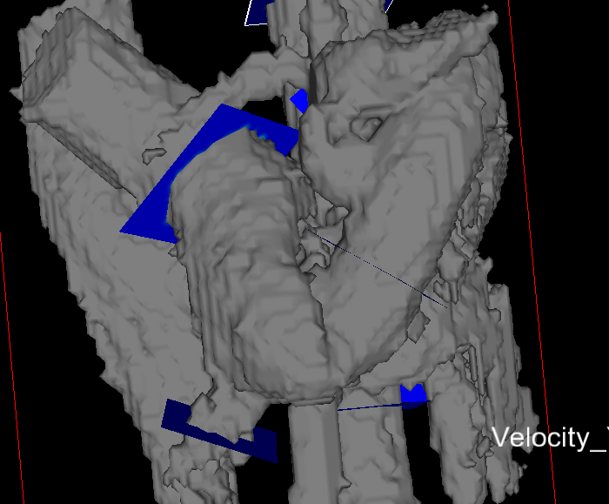
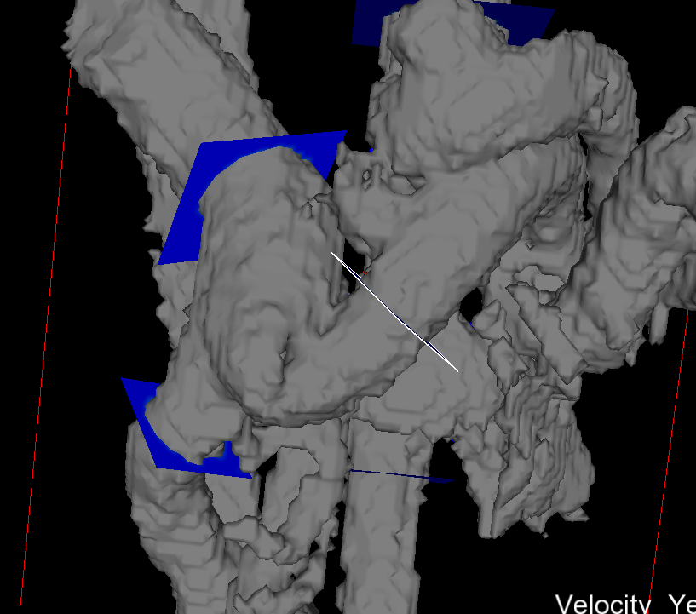
Difference (%) | -0.219 | 0.462 | 3.425 | 3.856 | 1.856 | -0.293 | -0.670 |  | -1.036
H2_Pre | 3.316 | 0.965 | 0.282 | 0.278 | 0.433 | 0.570 | 0.307 | 0.195 | 0.423
H2_Pre + 209 days | 3.318 | 0.949 | 0.282 | 0.280 | 0.424 | 0.584 | 0.306 | 0.187 | 0.425
Difference (%) | 0.055 | -1.631 | -0.140 | 0.693 | -2.030 | 2.493 | -0.283 | -3.966 | 0.329
H2_Post | 3.403 | 1.107 | 0.334 | 0.394 | 0.583 | 0.579 | 0.794 | 0.315 | 1.091
H2_Post + 209 days | 3.473 | 1.117 | 0.335 | 0.384 | 0.587 | 0.576 | 0.799 | 0.295 | 1.101
Difference (%) | 2.059 | 0.960 | 0.298 | -2.367 | 0.667 | -0.468 | 0.698 | -6.378 | 0.882
clinical_053012_Pre | 3.417 | 1.473 | 0.646 | 0.435 | 0.549 | 0.109 | 0.294 | 0.242 | 0.573
clinical_053012_Pre + 12 days | 3.327 | 1.402 | 0.583 | 0.399 | 0.513 | 0.110 | 0.257 | 0.217 | 0.570
Difference (%) | -2.632 | -4.845 | -9.800 | -8.321 | -6.641 | 0.019 | -12.700 | -10.196 | -0.474
clinical_053012_Post | 3.543 | 0.714 | 0.547 | 0.623 | 1.042 | 0.345 | 0.759 | 0.406 | 1.024
clinical_053012_Post + 12 days | 3.448 | 0.715 | 0.578 | 0.584 | 0.969 | 0.299 | 0.766 | 0.400 | 1.151 |  | PV seems very large.
Difference (%) | -2.659 | 0.184 | 5.768 | -6.225 | -6.939 | -13.184 | 0.930 | -1.354 | 12.337
MCH7_Pre |  |  |  |  |  |  |  |  | 1.547
MCH7_Pre + 58 days |  |  |  |  |  |  |  |  | 1.546
Difference (%) |  |  |  |  |  |  |  |  | -0.045
MCH7_Post |  |  |  |  |  |  |  |  | 1.543
MCH7_Post + 58 days |  |  |  |  |  |  |  |  | 1.538
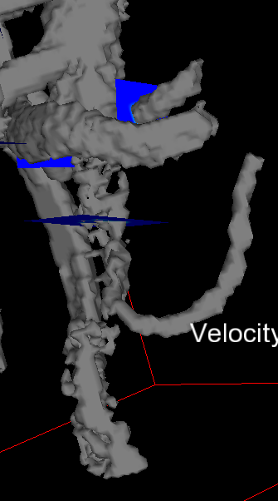
Difference (%) |  |  |  |  |  |  |  |  | -0.348
MCH9_Pre |  |  |  |  |  |  |  |  | 1.381
MCH9_Pre + 57 days |  |  |  |  |  |  |  |  | 1.359
Difference (%) |  |  |  |  |  |  |  |  | -1.554
MCH9_Post |  |  |  |  |  |  |  |  | 1.408
MCH9_Post + 57 days |  |  |  |  |  |  |  |  | 1.416 |  | Noise in inferior portion of image (IRAo)
Difference (%) |  |  |  |  |  |  |  |  | 0.615
MCH14_Pre |  | 0.580
MCH14_Pre + 53 days |  | 0.580
Difference (%) |  | 0.000
MCH14_Post |  | 0.733
MCH14_Post + 53 days |  | 0.733
Difference (%) |  | -0.039
H3_Pre |  |  |  |  |  |  |  | 0.502
H3_Pre + 204 days |  |  |  |  |  |  |  | 0.508
Difference (%) |  |  |  |  |  |  |  | 1.242
H3_Post |  |  |  |  |  |  |  | 0.312
H3_Post + 204 days |  |  |  |  |  |  |  | 0.357
Difference (%) |  |  |  |  |  |  |  | 14.673

